Theory
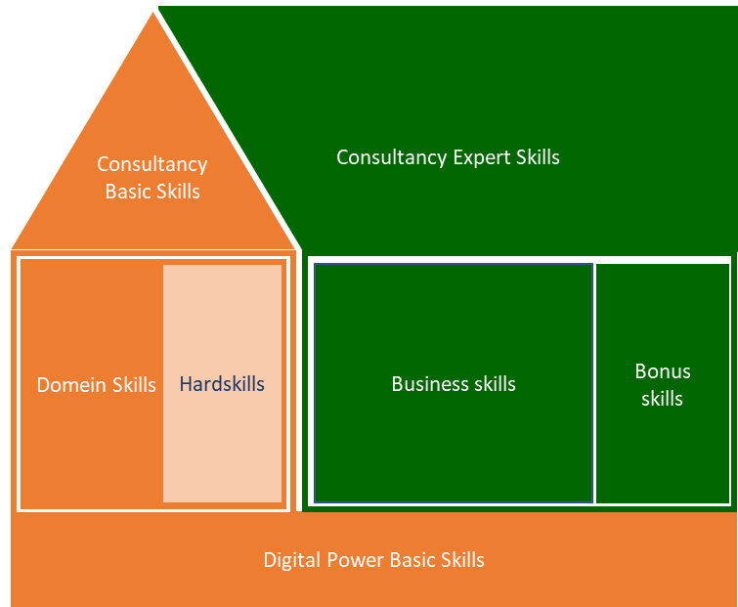
Digital Power Competentiehuis | Competentiegebieden

Results (DO NOT EDIT!!)
Spread current versus ambition
 | Digital Power Basic Skills | Digital Power Basic Skills | Digital Power Basic Skills | Digital Power Basic Skills | Digital Power Basic Skills | Digital Power Basic Skills | Domain skills | Domain skills | Domain skills | Domain skills | Domain skills | Domain skills | Hardskills | Hardskills | Hardskills | Hardskills | Hardskills | Hardskills | Basic Consultancy Skills | Basic Consultancy Skills | Basic Consultancy Skills | Basic Consultancy Skills | Basic Consultancy Skills | Business Skills | Business Skills | Business Skills | Business Skills | Business Skills | Expert Consultancy Skills | Expert Consultancy Skills | Expert Consultancy Skills | Expert Consultancy Skills | Expert Consultancy Skills
 | Learning & reflection | Support & collaboration | Entrepreneurial & result-oriented | Customer-oriented | Knowledge sharing | Coaching & guidance | Domain knowledge | Data architecture | Computer science | Data governance (+GDPR + Ethics) | Data quality | Security | Programming | Data processing | Testing and deployments | Infrastructure and cloud solutions | Data modeling | Virtualization and containerization | Advising | Decisive & problem-solving | Interpersonal communication | Expectation management | Written and oral communication | Organizational and management identification | Strategic conceptualization | Project management | Change management | Leadership | Situational communication | Goal-oriented & effective communication | Decision-making | Persuading & influencing | Constructive (negative) feedback & bad news conversations
 | 1 | 2 | 3 | 4 | 5 | 6 | 7 | 8 | 9 | 10 | 11 | 12 | 13 | 14 | 15 | 16 | 17 | 18 | 19 | 20 | 21 | 22 | 23 | 25 | 26 | 27 | 28 | 29 | 30 | 31 | 32 | 33 | 34
Score current situation | #DIV/0! | #DIV/0! | #DIV/0! | #DIV/0! | #DIV/0! | #DIV/0! | #DIV/0! | #DIV/0! | #DIV/0! | #DIV/0! | #DIV/0! | #DIV/0! | #DIV/0! | #DIV/0! | #DIV/0! | #DIV/0! | #DIV/0! | #DIV/0! | #DIV/0! | #DIV/0! | #DIV/0! | #DIV/0! | #DIV/0! | #DIV/0! | #DIV/0! | #DIV/0! | #DIV/0! | #DIV/0! | #DIV/0! | #DIV/0! | #DIV/0! | #DIV/0! | #DIV/0!
Total average |  |  |  |  |  | #DIV/0! |  |  |  |  |  | #DIV/0! |  |  |  |  |  | #DIV/0! |  |  |  |  | #DIV/0! |  |  |  |  | #DIV/0! |  |  |  |  | #DIV/0!

Score ambition | #DIV/0! | #DIV/0! | #DIV/0! | #DIV/0! | #DIV/0! | #DIV/0! | #DIV/0! | #DIV/0! | #DIV/0! | #DIV/0! | #DIV/0! | #DIV/0! | #DIV/0! | #DIV/0! | #DIV/0! | #DIV/0! | #DIV/0! | #DIV/0! | #DIV/0! | #DIV/0! | #DIV/0! | #DIV/0! | #DIV/0! | #DIV/0! | #DIV/0! | #DIV/0! | #DIV/0! | #DIV/0! | #DIV/0! | #DIV/0! | #DIV/0! | #DIV/0! | #DIV/0!
Total average |  |  |  |  |  | #DIV/0! |  |  |  |  |  | #DIV/0! |  |  |  |  |  | #DIV/0! |  |  |  |  | #DIV/0! |  |  |  |  | #DIV/0! |  |  |  |  | #DIV/0!

Seniority per subcategory
 | Total
Digital Power Basic Skills | 0.0
Domain skills | 0.0
Hardskills | 0.0
Basic Consultancy Skills | 0.0
Business Skills | 0.0
 | 0.0
Current skills versus ambition
 | Current | Ambition
Digital Power Basic Skills | 0.0 | 0.0
Domain skills | 0.0 | 0.0
Hardskills | 0.0 | 0.0
Basic Consultancy Skills | 0.0 | 0.0
Business Skills | 0.0 | 0.0
Expert Consultancy Skills | 0.0 | 0.0
Digital Power Basic Skills
Domain Skills

Basic Consultancy Skills
Hardskills
Business Skills
Expert Consultancy Skills

